Bugs Report
Bug Report
Project |  | QAFOX
Created By |  | Sushant Mishra
Reviewed BY |  | Mr. Shiva Kumar
Date |  | 2024-08-30
Bug Details
Serial Number | Bug ID | Priority | Description | Pre-requisites | Expected Result | Actual Result | Test Execution By | Browser/Device | Screenshot
1 | BUG-001 | Critical | User was able to login with an invalid email ID which does not exist. | User is on the login page. | User should not be able to login with an invalid email ID. | User was able to register with an invalid email ID. | Sushant | Chrome | 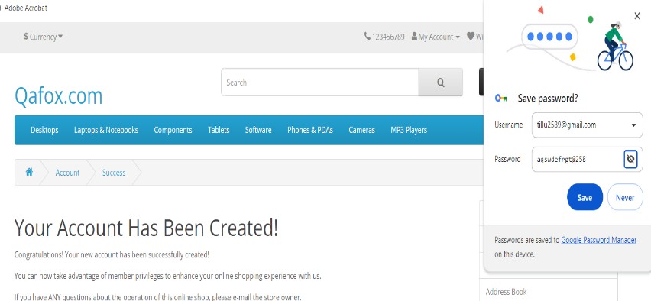 [Screenshot]
2 | BUG-002 | Critical | User was able to login with an invalid mobile number which does not exist. | User is on the login page. | User should not be able to login with an invalid mobile number. | User was able to register with an invalid mobile number. | Sushant | Chrome | 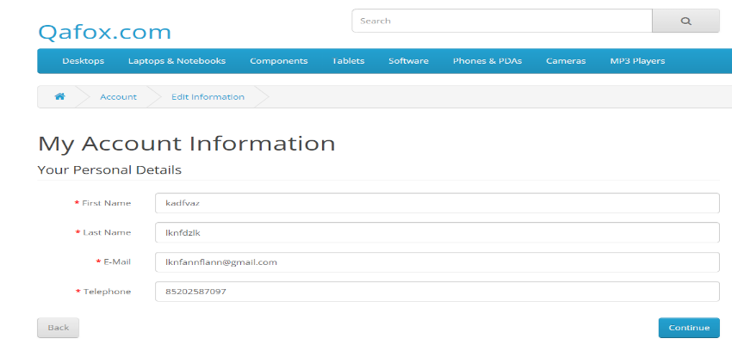 [Screenshot]
3 | BUG-003 | Major | OTP is not required for registration. | User is on the registration page. | OTP should be required for registration. | Registration is possible without OTP. | Sushant | Chrome | 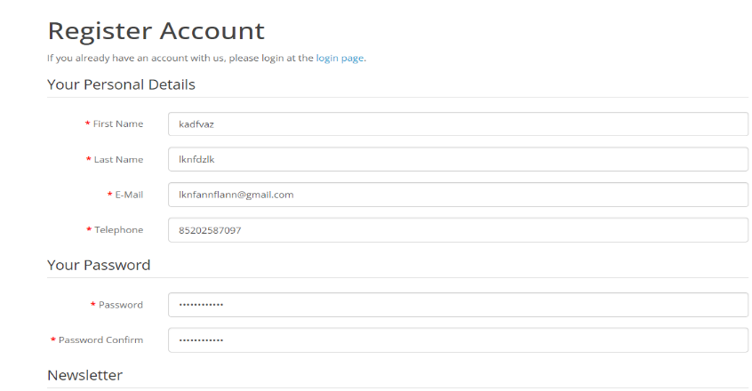 [Screenshot]
4 | BUG-004 | Major | Logout did not ask for a confirmation message. | User is logged in. | User should be prompted with a confirmation message before logout. | No confirmation message appeared on logout. | Sushant | Chrome | 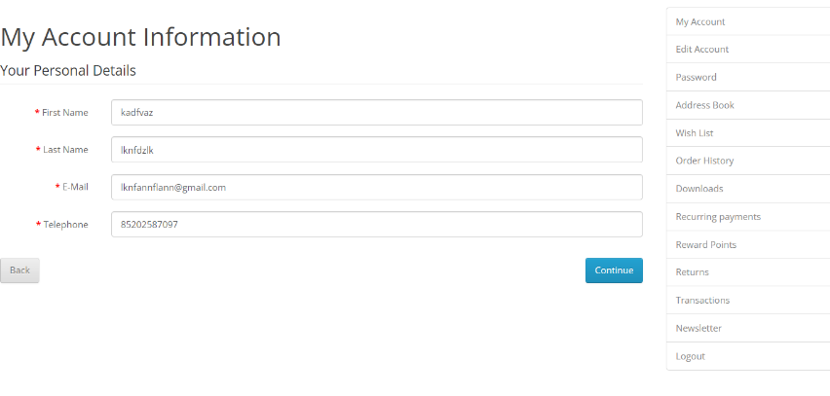 [Screenshot]
5 | BUG-005 | Major | User was able to login with integers entered in the name section. | User is on the login page. | Name section should not accept integers for login. | User was able to register with integers in the name section. | Sushant | Chrome | 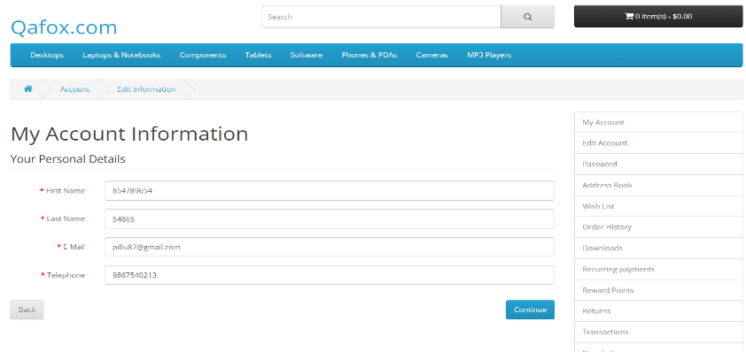 [Screenshot]
6 | BUG-006 | Critical | For password reset, it does not ask for the old password, allowing unauthorized changes. | User is on the password reset page. | Old password should be required to change to a new password. | Old password is not required for password change. | Sushant | Chrome | 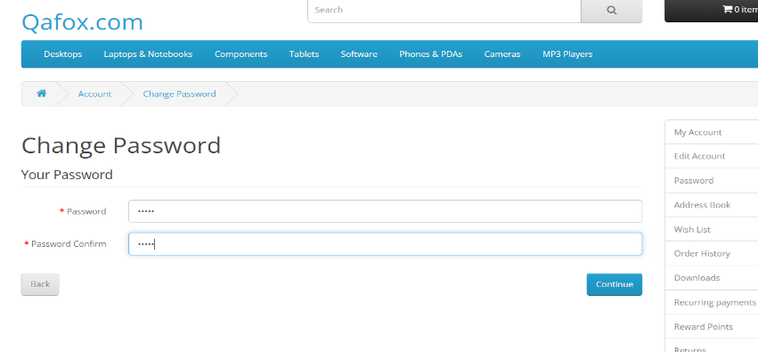 [Screenshot]
7 | BUG-007 | Minor | Currency does not have the INR option. | User is on the checkout page. | INR should be available as a currency option. | INR option is missing in the currency list. | Sushant | Chrome | 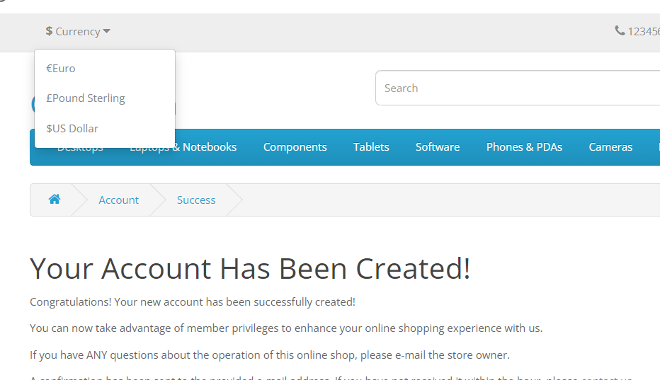 [Screenshot]
8 | BUG-008 | Minor | Comparison option is not available. | User is on the product listing page. | Comparison option should be available for products. | Comparison option is missing. | Sushant | Chrome | 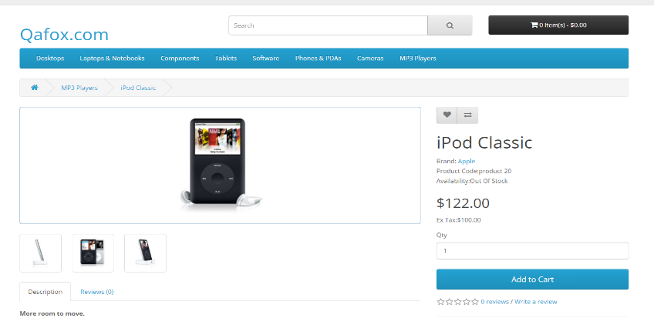 [Screenshot]
9 | BUG-009 | Major | In the Canon camera option, it asks to select a variant that is not available, preventing addition to the cart. | User is on the Canon camera product page. | User should be able to select a variant and add to the cart. | No option to select the variant, cannot add to cart. | Sushant | Chrome | 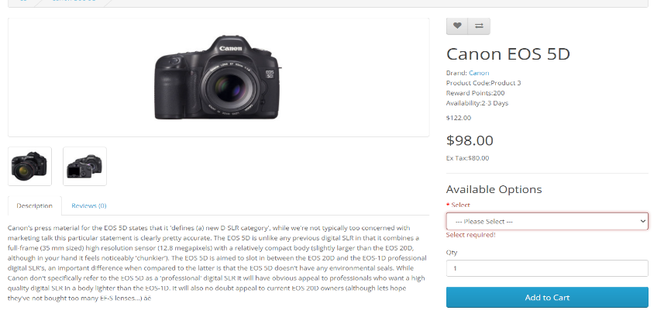 [Screenshot]
10 | BUG-010 | Major | About Us page is blank. | User is on the About Us page. | About Us page should contain information about the company. | About Us page is empty. | Sushant | Chrome | 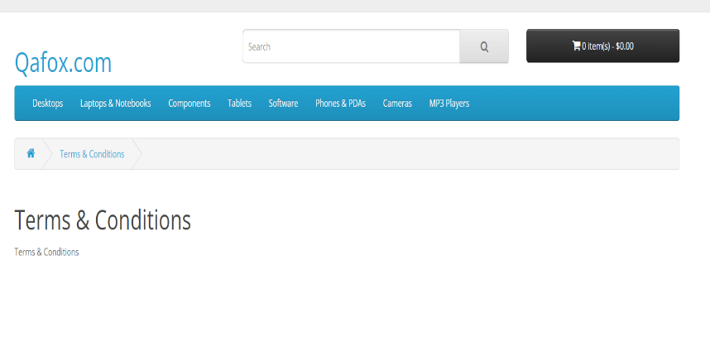 [Screenshot]

